Power Pivot Setup
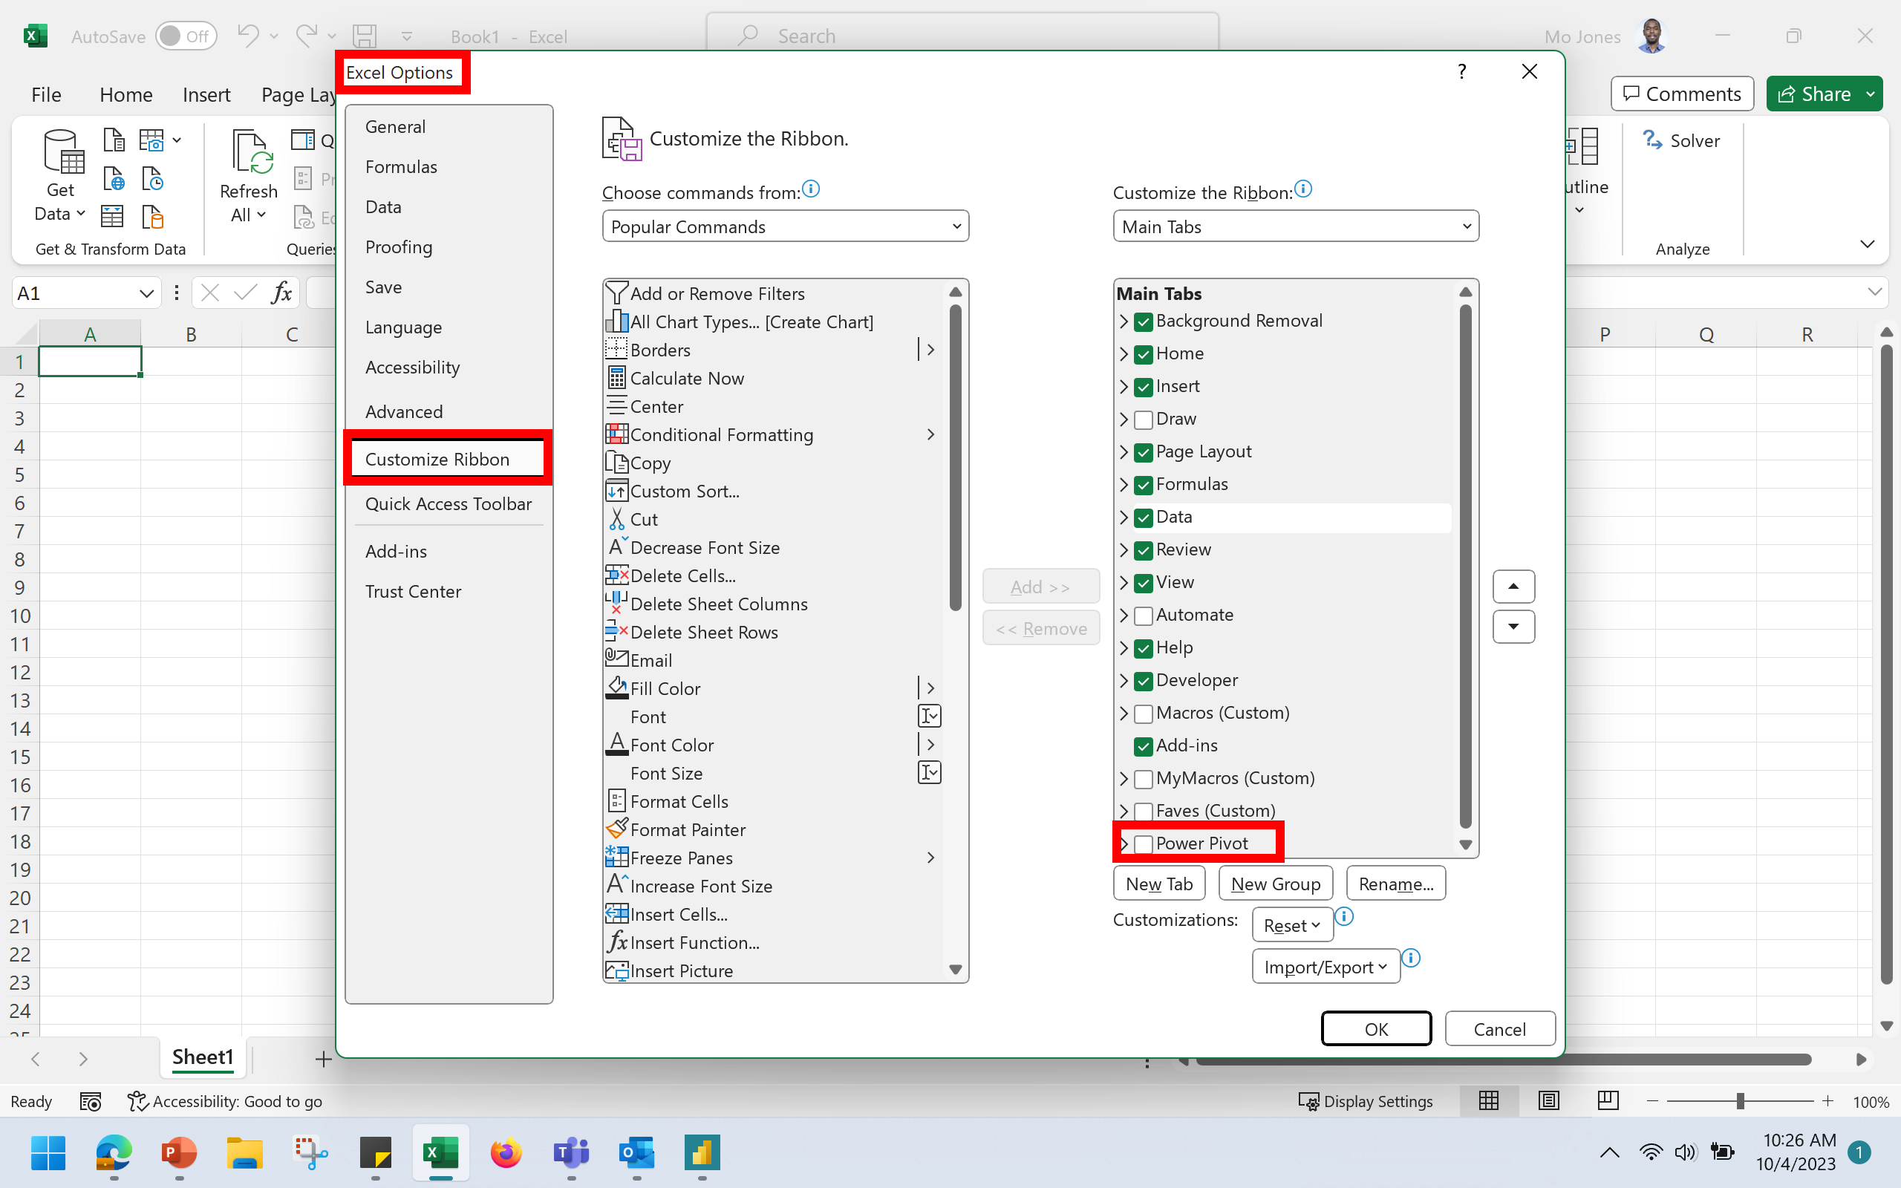

PIVOT TABLE FOR DATAMINING
'SALE' by 'STATE'
STATE | Sum of SALE
OR | $25,348
KY | $23,067
WA | $21,866
NE | $20,378
TX | $17,647
CO | $17,611
WY | $15,070
MS | $8,517
GA | $4,324
WV | $2,614
Grand Total | $156,442

